Heavy Duty Co.
Heavy Duty Company Corrective Maintenance Simulation

 |  | Random | Time Since Last | Cumulative |  | Cumulative | Distribution of
 | Breakdown | Number | Breakdown | Day | Cost | Cost | Time Between Breakdowns
 | 1 | 0.5038 | 5 | 5 | $11,000 | $11,000 |  |  | Number
 | 2 | 0.8166 | 6 | 11 | $11,000 | $22,000 | Probability | Cumulative | of Days
 | 3 | 0.1668 | 4 | 15 | $11,000 | $33,000 | 0.25 | 0 | 4
 | 4 | 0.5590 | 5 | 20 | $11,000 | $44,000 | 0.5 | 0.25 | 5
 | 5 | 0.5251 | 5 | 25 | $11,000 | $55,000 | 0.25 | 0.75 | 6
 | 6 | 0.7114 | 5 | 30 | $11,000 | $66,000
 | 7 | 0.7960 | 6 | 36 | $11,000 | $77,000 | Breakdown Cost | $11,000
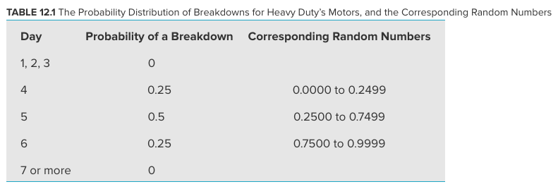
 | 8 | 0.5693 | 5 | 41 | $11,000 | $88,000
 | 9 | 0.9188 | 6 | 47 | $11,000 | $99,000
 | 10 | 0.5628 | 5 | 52 | $11,000 | $110,000
 | 11 | 0.4764 | 5 | 57 | $11,000 | $121,000
 | 12 | 0.4328 | 5 | 62 | $11,000 | $132,000
 | 13 | 0.5143 | 5 | 67 | $11,000 | $143,000
 | 14 | 0.0565 | 4 | 71 | $11,000 | $154,000
 | 15 | 0.1974 | 4 | 75 | $11,000 | $165,000
 | 16 | 0.8892 | 6 | 81 | $11,000 | $176,000
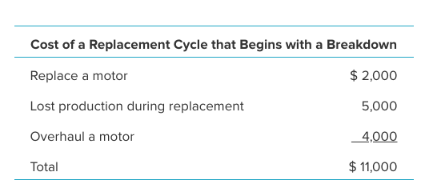
 | 17 | 0.3333 | 5 | 86 | $11,000 | $187,000
 | 18 | 0.9419 | 6 | 92 | $11,000 | $198,000
 | 19 | 0.5161 | 5 | 97 | $11,000 | $209,000
 | 20 | 0.7821 | 6 | 103 | $11,000 | $220,000
 | 21 | 0.6270 | 5 | 108 | $11,000 | $231,000
 | 22 | 0.6323 | 5 | 113 | $11,000 | $242,000
 | 23 | 0.6942 | 5 | 118 | $11,000 | $253,000
 | 24 | 0.8866 | 6 | 124 | $11,000 | $264,000
 | 25 | 0.0622 | 4 | 128 | $11,000 | $275,000
 | 26 | 0.9298 | 6 | 134 | $11,000 | $286,000
 | 27 | 0.1806 | 4 | 138 | $11,000 | $297,000
 | 28 | 0.0119 | 4 | 142 | $11,000 | $308,000
 | 29 | 0.5415 | 5 | 147 | $11,000 | $319,000 |  | Average Cost per Day
 | 30 | 0.4776 | 5 | 152 | $11,000 | $330,000 |  | $2,171

Replace After 4
Heavy Duty Company Preventive Maintenance Simulation (Replace After 4 Days)

 |  | Random | Time Until | Scheduled Time | Event That | Cumulative |  | Cumulative | Distribution of |  |  | Range Name | Cells
 | Cycle | Number | Breakdown | Until Replacement | Concludes Cycle | Day | Cost | Cost | Time Between Breakdowns |  |  | AverageCostPerDay | L34
 | 1 | 0.2699 | 5 | 4 | Replacement | 4 | $6,000 | $6,000 |  |  | Number | BreakdownCost | L11
 | 2 | 0.9398 | 6 | 4 | Replacement | 8 | $6,000 | $12,000 | Probability | Cumulative | of Days | Cost | H5:H34
 | 3 | 0.1124 | 4 | 4 | Breakdown | 12 | $11,000 | $23,000 | 0.25 | 0 | 4 | Cycle | B5:B34
 | 4 | 0.9979 | 6 | 4 | Replacement | 16 | $6,000 | $29,000 | 0.5 | 0.25 | 5 | CumulativeCost | I5:I34
 | 5 | 0.7599 | 6 | 4 | Replacement | 20 | $6,000 | $35,000 | 0.25 | 0.75 | 6 | CumulativeDay | G5:G34
 | 6 | 0.2242 | 4 | 4 | Breakdown | 24 | $11,000 | $46,000 |  |  |  | Event | F5:F34
 | 7 | 0.1602 | 4 | 4 | Breakdown | 28 | $11,000 | $57,000 | Breakdown Cost | $11,000 |  | RandomNumber | C5:C34
 | 8 | 0.0229 | 4 | 4 | Breakdown | 32 | $11,000 | $68,000 | Replacement Cost | $6,000 |  | ReplaceAfter | L14
 | 9 | 0.8209 | 6 | 4 | Replacement | 36 | $6,000 | $74,000 |  |  |  | ReplacementCost | L12
 | 10 | 0.0832 | 4 | 4 | Breakdown | 40 | $11,000 | $85,000 | Replace After | 4 | days | ScheduledTimeUntilReplacement | E5:E34
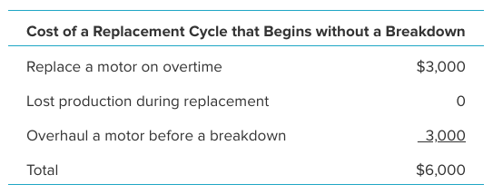
 | 11 | 0.2538 | 5 | 4 | Replacement | 44 | $6,000 | $91,000 |  |  |  | TimeUntilBreakdown | D5:D34
 | 12 | 0.6133 | 5 | 4 | Replacement | 48 | $6,000 | $97,000
 | 13 | 0.7968 | 6 | 4 | Replacement | 52 | $6,000 | $103,000
 | 14 | 0.2798 | 5 | 4 | Replacement | 56 | $6,000 | $109,000
 | 15 | 0.2042 | 4 | 4 | Breakdown | 60 | $11,000 | $120,000
 | 16 | 0.0382 | 4 | 4 | Breakdown | 64 | $11,000 | $131,000
 | 17 | 0.2067 | 4 | 4 | Breakdown | 68 | $11,000 | $142,000
 | 18 | 0.9163 | 6 | 4 | Replacement | 72 | $6,000 | $148,000
 | 19 | 0.7369 | 5 | 4 | Replacement | 76 | $6,000 | $154,000
 | 20 | 0.5560 | 5 | 4 | Replacement | 80 | $6,000 | $160,000
 | 21 | 0.2200 | 4 | 4 | Breakdown | 84 | $11,000 | $171,000
 | 22 | 0.4211 | 5 | 4 | Replacement | 88 | $6,000 | $177,000
 | 23 | 0.7343 | 5 | 4 | Replacement | 92 | $6,000 | $183,000
 | 24 | 0.5408 | 5 | 4 | Replacement | 96 | $6,000 | $189,000
 | 25 | 0.0773 | 4 | 4 | Breakdown | 100 | $11,000 | $200,000
 | 26 | 0.4826 | 5 | 4 | Replacement | 104 | $6,000 | $206,000
 | 27 | 0.8121 | 6 | 4 | Replacement | 108 | $6,000 | $212,000
 | 28 | 0.5729 | 5 | 4 | Replacement | 112 | $6,000 | $218,000
 | 29 | 0.2737 | 5 | 4 | Replacement | 116 | $6,000 | $224,000 |  | Average Cost per Day
 | 30 | 0.8427 | 6 | 4 | Replacement | 120 | $6,000 | $230,000 |  | $1,917

